Menu
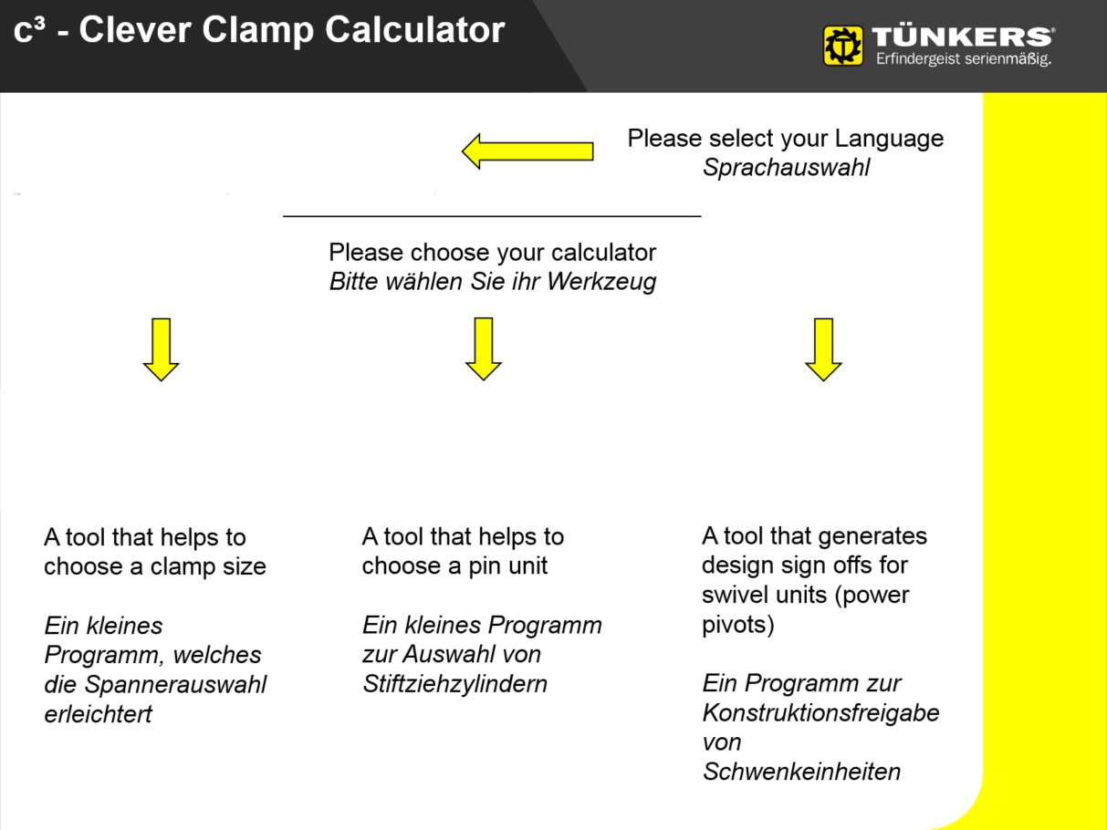
Version 1 rev. 7

 | Version 1 rev. 7

Spanner-Tool
 | mail

Please fill out the header: |  |  | Here you can insert your application with dimensioned CoG and clamping point.

OEM
Project
Customer |  |  | 
 | V 80.1 |  | V 63.1 |  | V 50.1 |  | V40 |  | input
0 |  | 0 |  | 0 |  | 0 |  | 1 | 1
10 |  | 10 |  | 10 |  | 10
20 |  | 20 |  | 20 |  | 20
30 |  | 30 |  | 30 |  | 30
40 |  | 40 |  | 40 |  | 40
50 |  | 50 |  | 50 |  | 50
60 |  | 60 |  | 60 |  | 60 | 2.8966888707
70 |  | 70 |  | 70 |  | 70 | 2.7516060407
80 |  | 80 |  | 80 |  | 80 | 2.631816499
90 |  | 90 |  | 90 |  | 90 | 2.5304908099
100 |  | 100 | 3.8125317266 | 100 | 2.8575396274 | 100 | 2.4431620148
110 |  | 110 | 3.6933112142 | 110 | 2.7681823806 | 110 | 2.3667626434
120 |  | 120 | 3.587729716 | 120 | 2.6890477434 | 120 | 2.2991034803
130 |  | 130 | 3.4932715668 | 130 | 2.6182501937 | 130 | 2.2385724268
140 |  | 140 | 3.4080355881 | 140 | 2.5543647746 | 140 | 2.1839511618
150 | 4.2685972166 | 150 | 3.3305532375 | 150 | 2.4962907957 | 150 | 2.1342986083
160 | 4.1777482791 | 160 | 3.2596687742 | 160 | 2.4431620148 | 160
170 | 4.0941707957 | 170 | 3.1944578293 | 170 | 2.394285606 | 170
180 | 4.0169037736 | 180 | 3.1341705926 | 180 | 2.3490995774 | 180
190 | 3.9451579567 | 190 | 3.0781912507 | 190 | 2.3071423691 | 190
200 | 3.8782779524 | 200 | 3.0260084367 | 200 | 2.2680307053 | 200
210 | 3.8157141418 | 210 | 2.9771933128 | 210 | 2.2314431669 | 210
220 | 3.7570015099 | 220 | 2.9313830533 | 220 | 2.1971078115 | 220
230 | 3.7017434608 | 230 | 2.888268216 | 230 | 2.1647927083 | 230
240 | 3.6495992832 | 240 | 2.8475829626 | 240 | 2.1342986083 | 240
250 | 3.6002743275 | 250 | 2.8090973941 | 250 |  | 250
260 | 3.5535122252 | 260 | 2.77261148 | 260 |  | 260
270 | 3.5090886654 | 270 | 2.7379502029 | 270 |  | 270
280 | 3.4668063718 | 280 | 2.7049596388 | 280 |  | 280
290 | 3.4264910142 | 290 | 2.6735037675 | 290 |  | 290
300 | 3.387987856 | 300 | 2.6434618564 | 300 |  | 300
310 | 3.3511589842 | 310 | 2.6147262995 | 310 |  | 310
320 | 3.3158810066 | 320 | 2.5872008206 | 320 |  | 320
330 | 3.282043125 | 330 |  | 330 |  | 330
340 | 3.249545514 | 340 |  | 340 |  | 340
350 | 3.2182979487 | 350 |  | 350 |  | 350
360 | 3.188218638 | 360 |  | 360 |  | 360
370 | 3.1592332278 | 370 |  | 370 |  | 370
380 | 3.1312739453 | 380 |  | 380 |  | 380
390 | 3.1042788611 | 390 |  | 390 |  | 390
400 | 3.0781912507 | 400 |  | 400 |  | 400
410 |  | 410 |  | 410 |  | 410
420 |  | 420 |  | 420 |  | 420
430 |  | 430 |  | 430 |  | 430
440 |  | 440 |  | 440 |  | 440
450 |  | 450 |  | 450 |  | 450
V 50.1
V 63.1
V 80.1
Plant |  | 1
Area
Fixture
Unit

additional information

input
Length of clamp arm [mm] | sheet tickness [mm]
 | 1

proposal
Please send your application for approval

 | Size 80 |  | Size 63 |  | Size 50 |  | Size 40 |  | Size 25 |  | input
50 | 16.00 | 50 | 12.00 | 50 | 9.00 | 50 | 4.40 | 50 | 2.00 | 1.6 | 8
75 | 10.67 | 75 | 8.00 | 75 | 6.00 | 75 | 2.93 | 75 | 1.33
100 | 8.00 | 100 | 6.00 | 100 | 4.50 | 100 | 2.20 | 100 | 1.00
125 | 6.40 | 125 | 4.80 | 125 | 3.60 | 125 | 1.76 | 125 | 0.80
150 | 5.33 | 150 | 4.00 | 150 | 3.00 | 150 | 1.47 | 150 | 0.67
175 | 4.57 | 175 | 3.43 | 175 | 2.57 | 175 | 1.26 | 175
200 | 4.00 | 200 | 3.00 | 200 | 2.25 | 200 | 1.10 | 200
225 | 3.56 | 225 | 2.67 | 225 | 2.00 | 225 |  | 225
250 | 3.20 | 250 | 2.40 | 250 | 1.80 | 250 |  | 250
275 | 2.91 | 275 | 2.18 | 275 |  | 275 |  | 275
300 | 2.67 | 300 | 2.00 | 300 |  | 300 |  | 300
325 | 2.46 | 325 |  | 325 |  | 325 |  | 325
350 | 2.29 | 350 |  | 350 |  | 350 |  | 350
375 | 2.13 | 375 |  | 375 |  | 375 |  | 375
400 | 2.00 | 400 |  | 400 |  | 400 |  | 400
input
CoG distance [mm] | 65
weight [kg] | 8

result
Size 63

Created on: | 2019-02-22

Created by: | Baha Gören

#VALUE! |  |  |  | Version 1 rev. 7

Schwenker-Tool
 | pdf
 | 1
Please fill out the header:

OEM
Project
Customer
Plant
Area
Fixture |  | additional information |  |  |  |  | Here you can insert your application with dimensioned CoG and clamping point.
Unit

Please choose the swivle unit with the following parameters: |  | Please enter here the dimensions of your application! |  |  |  |  | 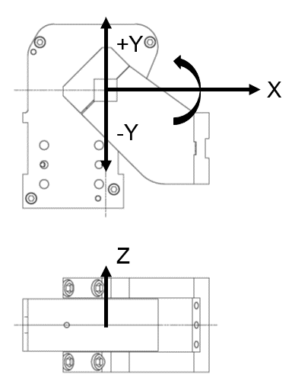

Piston-Ø [mm] | 125 |  | X | Y | Z
 |  | Distance to COG [mm]

Type | .2 | Angle (clockwise)[°] | 0.0 |  | 0.0

Swivel arm version | KS2… A03 | Position | closed

Blocking System | BD | Load mass [kg] |  | incl. Arm? | Yes

External stops | none | max. swivel torque[Nm] |  | 250

Air supply | LH - back | max. transversal torque[Nm] |  | 1000

Sensing system | T12 - Inductive | occurring max. swivel torque [Nm] |  | 0.00 |  | 0.00%

Opening angle | 60° | occurring max. transversal torque [Nm] |  | 0.00 |  | 0.00%

The chosen opening angle is okay. |  | The shown values result from a static calculation excluding friction and dynamic.

Chosen Unit | KS2 125.2 BD A03 LH T12 60° | The chosen unit can be confirmed.

Created on: | 2019-02-22 | Created by: | Baha Gören

#VALUE! |  |  |  |  |  |  |  | Version 1 rev. 7
The chosen opening angle is okay.

Stiftzieh-Tool
 |  |  |  | Version 1 rev. 7
Please fill out the header:

OEM |  | input
Project |  | sheet thickness [mm] | 1
Customer |  | Pin diameter | 15
Plant
Area |  | result
Fixture |  | SZK 40
Unit

additional information

 | SZK 63 / SZV 40 |  | SZK 40 |  | input
0 | 2 | 0 | 1.25 | 16.00 | 1.00
1 | 2 | 1 | 1.25
2 | 2 | 2 | 1.25
3 | 2 | 3 | 1.25
4 | 2 | 4 | 1.25
5 | 2 | 5 | 1.25
6 | 2 | 6 | 1.25
7 | 2 | 7 | 1.25
8 | 2 | 8 | 1.25
9 | 2 | 9 | 1.25
10 | 2 | 10 | 1.25
11 | 2 | 11 | 1.25
12 | 2 | 12 | 1.25
13 | 2 | 13 | 1.244
14 | 2 | 14 | 1.23
15 | 2 | 15 | 1.2
16 | 2 | 16 | 1.147
17 | 2 | 17 | 1.063
18 | 2 | 18 | 0.942
19 | 1.9967398062 | 19 | 0.78
20 | 1.9823310087 | 20 | 0.583
21 | 1.9600016394 | 21 | 0.364
22 | 1.9288202195 | 22 | 0.154
23 | 1.8878552702 | 23 | 0
24 | 1.794681767 | 24
25 | 1.6717983736 | 25
26 | 1.5292964632 | 26
27 | 1.3882539742 | 27
28 | 1.2763959911 | 28
29 | 1.2053621089 | 29
30 | 1.034 | 30
31 | 0.94504262044 | 31
32 | 0.83512407467 | 32
33 | 0.707469152 | 33
34 | 0.56530264178 | 34
35 | 0.41184933333 | 35
36 | 0.250334016 | 36
37.5 | -9.9999999995E-07 | 37.5
38 |  | 38
39 |  | 39
40 |  | 40

Here you can insert your application with dimensioned CoG and clamping point.

Created on: | 2019-02-22

Created by: | Baha Gören

#VALUE! |  |  |  | Version 1 rev. 7

